接团书（ใปงาน）
自由行接团书
Tranlee travel co.,ltd
74/70 Poonpol Nightplaza,Poonpol Rd.,T.Taladnua Muang Phuket 83000
地接社联系方式：0918209676 , 0900676222 中国卡拨打：+66918209676 , +66900676222
 | 团号CODE： |  | 0603-O-12996383

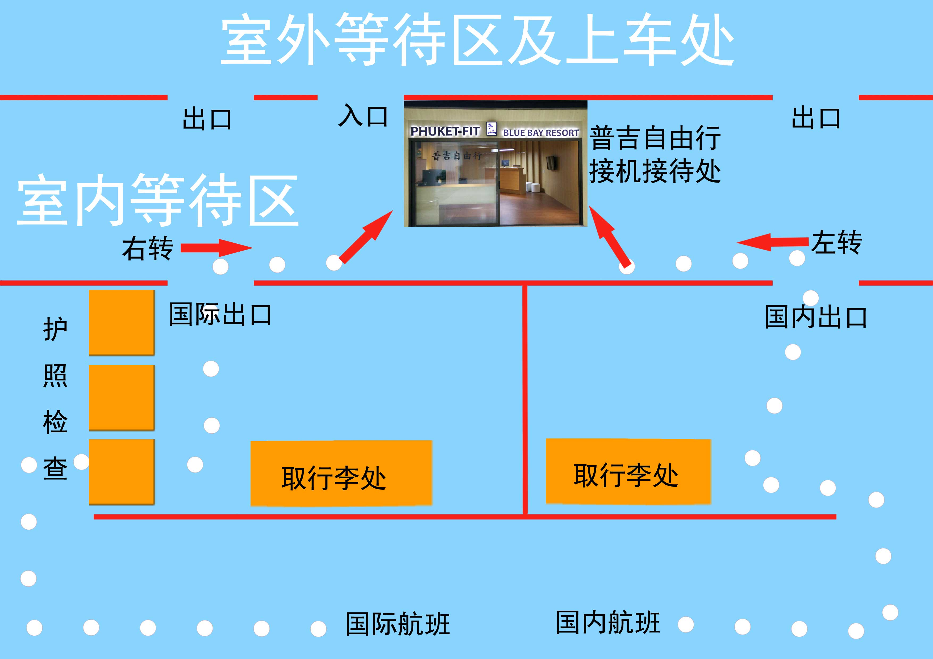
机场自由行接机接待处简图

基本信息Brief
客人姓名 Customers Name | 代理 AGENT | 代理订单号 AGENT CODE | 成人数 AD | 儿童 CHD | 婴儿 INF | 房间数 RM
祝维佳 ZHU WEIJIA | 途牛 | 12996383 | 2 | 0 | 0 | 1

接送 Transfer
日期:日/月/年 วัน/เดือน/ปี | 时间Time เวลา | 起点รับที่ | 到达ส่งถึง | 人数pax | 车型（ใช้รถ) | 机场接待处电话 及接机人
3(4)/6/2015 | HO1321 | phuket airport 普吉机场 | Patong_Holiday | 2+0+0 | 小轿车/รถเก๋ง | .+66-91-8209676 .+66-90-0676222
 | 【03:45】
7/6/2015 | HO1322 | Patong_Holiday | phuket airport 普吉机场 | 2+0+0 | 小轿车/รถเก๋ง | .+66-91-8209676 .+66-90-0676222
 | 【23:59】 |  |  |  |  | 0

酒店Hotel
2015/6/3-2015/6/4 |  | Patong_Holiday |  |  |  | 076-372888
2015/6/7-2015/6/8 |  | Patong_Holiday |  |  |  | 076-372888

2015/6/7 |  | Check Out

其他Others
日期/Date | 详细/Detail

